Test Summary Report
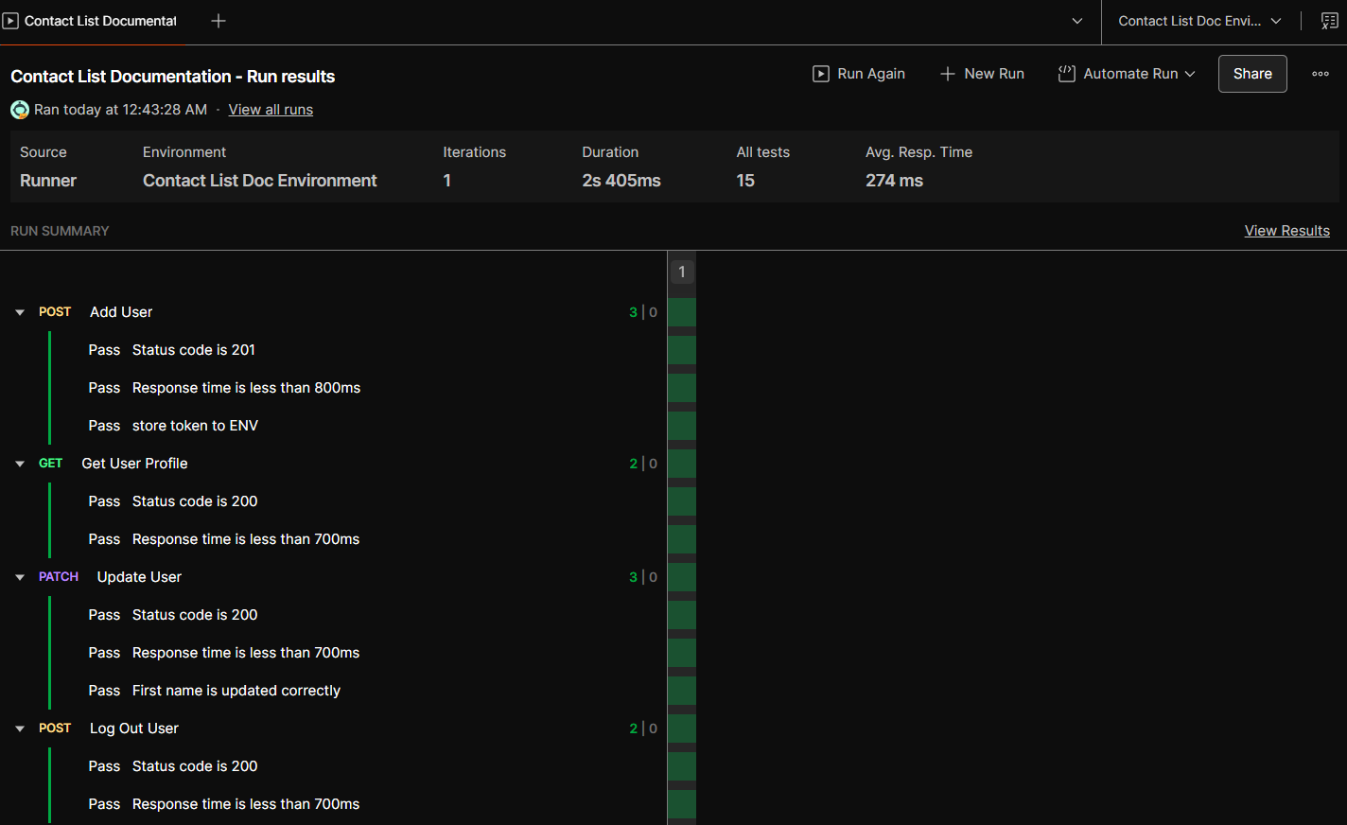
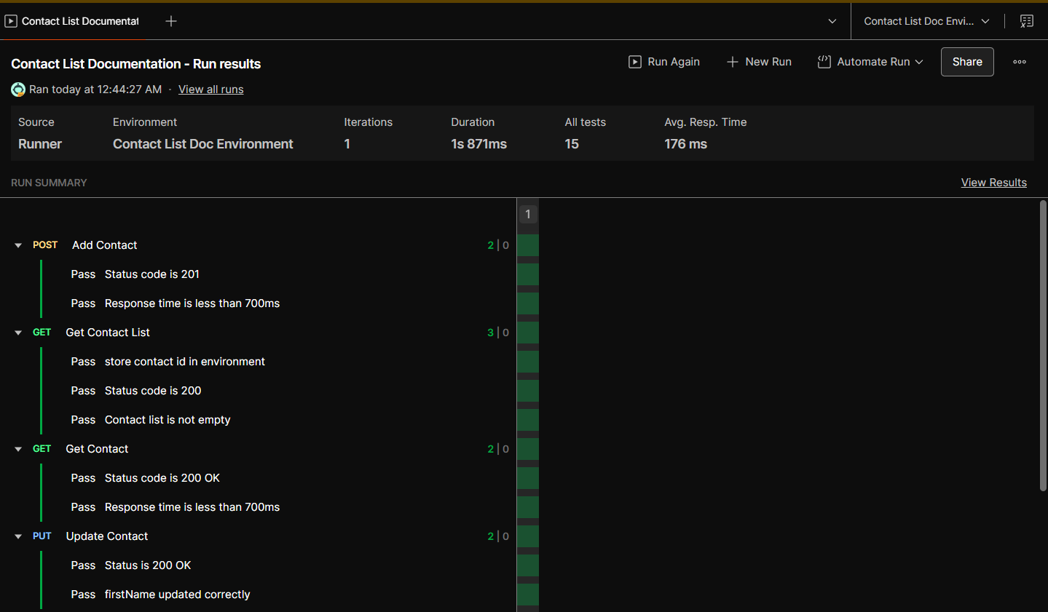
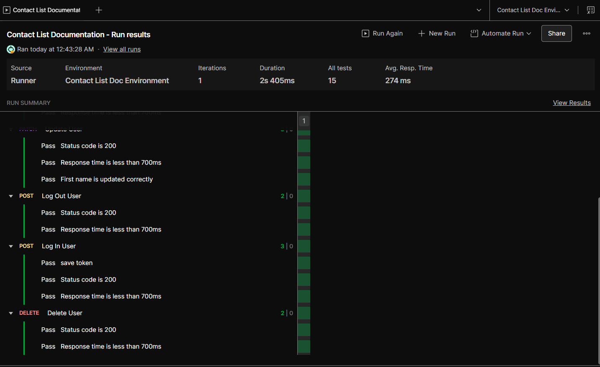
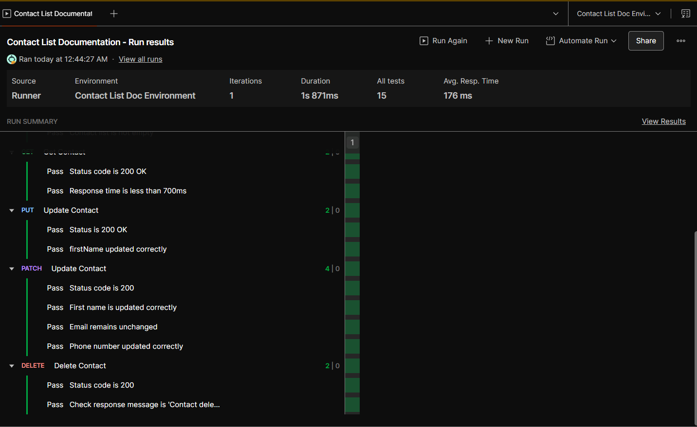
Test Report
Test Cycle | System Test
Executed | Passed |  |  | 98
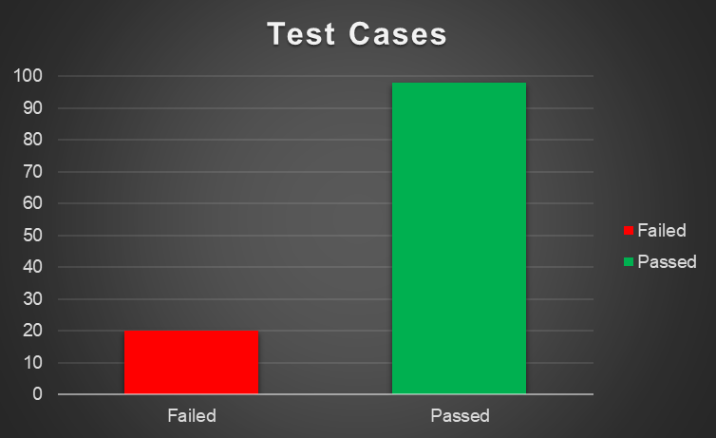
 | Failed |  |  | 20
 | Total Tests Executed (Passed + Failed) |  |  |  |  | 118
Pending |  |  |  |  |  | 0
In Progress |  |  |  |  |  | 0
Blocked |  |  |  |  |  | 0
(Sub-Total) Test Planed |  |  |  |  |  | 118
[Pending - In Progress - Blocked - Test Executed]

Functions (Test Scenarios) | Description | TCs Excuted % | TCs Passed % | TCs pending | Priority | Remarks
Add Contact | The API should allow the user to add a new contact by providing details such as name, phone, email, address, and birthdate. If the data is valid, the contact will be created and returned with a unique ID. | 100% | 75% | 0% | High
Get Contact List | The API should return the full list of contacts for the logged-in user. | 100% | 100% | 0% | High
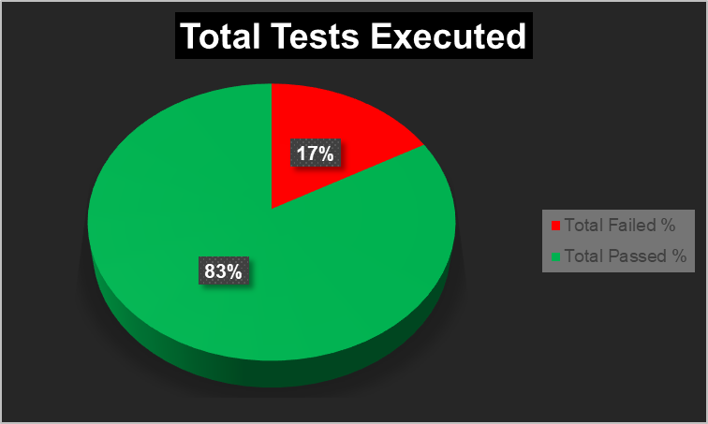
Get Contact | The API must bring the user the contact's data he/she requests, the data must be correct, and meets the expected validation criteria with no missing or wrong data | 100% | 78% | 0% | High
Update Contact | The user should be able to edit, update or fix a contact's data easily by sending API request to the database. The API must update the right record supported by the user. | 100% | 92% | 0% | High
Update Contact Partially | The API should support partial updates to a contact Only the fields sent in the PATCH request will be modified, others should stay the same. | 100% | 86.00% | 0% | High
Delete Contact | The API should delete the specified contact when a valid contact ID is provided. | 100% | 85.70% | 0% | High
Add User | API should Add user with valid fields | 100% | 81% | 0% | High
Get User Profile | API should return user profile correctly | 100% | 71% | 0% | High
Update User | API should UPDATE user information with valid fields | 100% | 90% | 0% | High
Log Out User | The API Should support only authorized user logout | 100% | 89% | 0% | High
Log In User | The API Should support only authorized user login | 100% | 64% | 0% | High
Delete User | The API should support deleteing existing user with authorization | 100% | 86% | 0% | High

 | Run Collection (USER) |  |  |  |  |  | Run Collection (CONTACT)

